Instructions
HOW TO USE THIS TOOL

BACKGROUND | MT Flex MBQIP data program and the MT Cardiac Recognition program use similar and, at times, overlapping sets of data. In an effort to streamline abstraction and save you time, our agencies have collaborated to develop a joint abstraction tool.

PATIENT POPULATION | Pull all ED patients with principal diagnosis codes starting with I21, I22, and I97
 | MBQIP: All Codes
 | MT Cardiac: I21 and I22

DATA ENTRY | Enter all data for each patient in the Master Data Entry Tab. If data is not required, the field will be grayed out.

Notes
Discharge Disposition: | There are slight differences in discharge disposition. Select the appropriate choice from the drop down and the corresponding CMS discharge code (used in CART) will populate. If a patient is transferred to a PCI center in MT, make your choice, "Transferred to PCI” rather than “Acute Care – Other General Inpatient Facility.”
 | PCI Centers:
 | Benefis Health System | Community Medical Center | St James Healthcare
 | Billings Clinic | Kalispell Regional Healthcare | St. Peter's Health
 | Bozeman Health | Providence St Patrick Hospital | St. Vincent Healthcare

Automatic Calculations: | Fields in Yellow

ECG Performed: | Refer to measures 25 and 26 to answer MBQIP data element "Was an ECG performed within 1 hour before ED arrival or in the ED prior to transfer (ECGDONE)"?

ECG Date/Time: | If a patient received an ECG by EMS, enter the arrival date and time.

REVIEW DATA | *Choose sheet tab for the appropriate program and timeframe. *Click on cell A2 (column A, row 2) *When this cell is selected, two additional tabs will appear on the ribbon at the top of the page (see photo 1) *Select the Query tab shown as Query Tools Query. *This will open the Query Tools. Select Refresh on the tool bar to update the data. |  |  | 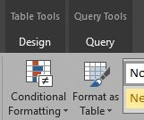 Photo 1:
 | *NOTE FOR MBQIP SUBMISSION TO QUALITYNET* Use the data in 21c and 22c on this tool to answer the follow questions in the CART Abstraction. "Was an ECG performed within 1 hour of ED arrival or in the ED prior to transfer?" If the earliest ECG was performed by EMS prior to arrival, use Arrival Date and Time for the below. "What is the date the earliest 12-lead ECG was performed (ECGDT)" "What is the time the earliest 12-lead ECG was performed (ECGTM)" when entering into CART/QualityNet.

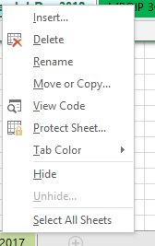
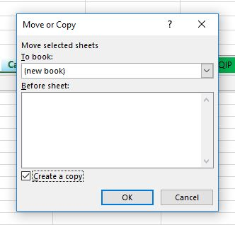
SUBMIT DATA
MT Cardiac Recogntion | Cardiac Rec Jan-Jun 2021 Cardiac Rec Jul-Dec 2021 | 7/31/2021 1/31/2022 | *Right click on Cardiac Rec XX-XX 2021 sheet. *Select Move or Copy and a box will appear (see photo 2) To book: Select down arrow and choose (new book) Click box for Create a copy.(see photo 3) *Save the new file with ProgramName_Facility_Date. *Email new file to: mmcnamara@mt.gov | Photo 2: | Photo 3:
MT Flex's MBQIP | MBQIP 1Q21 MBQIP 2Q21 MBQIP 3Q21 MBQIP 4Q21 | 8/1/2021 11/1/2021 2/1/2022 5/1/2022 | Enter into CART then Upload to QualityNet Instructions can be found on the PIN website at mtpin.org.

